Explanations
Relationships/Hierarchy | Tabs
 | Electric Generating Unit Emissions
 | Contains EGU level information about emisisons by year, and which facility the EGU is part of
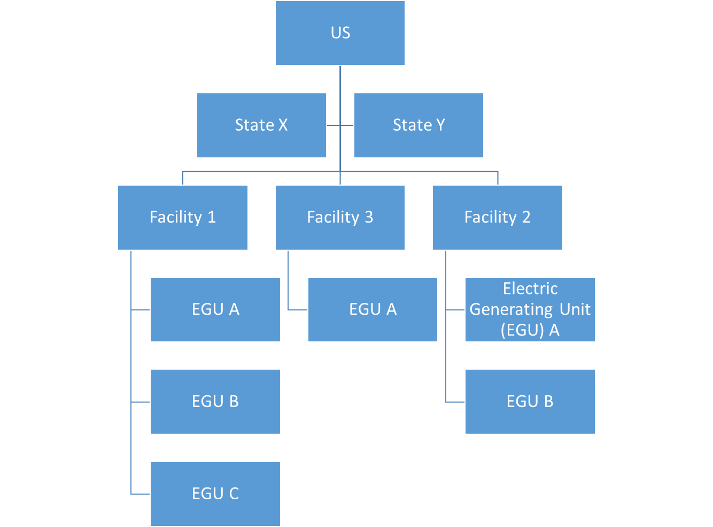
 | Also contains a randomly generated assignment of which EGUs are part of the Clean Power Plan
 | This is random because the crosswalk of the GHGRP and the data set as part of the technical support for the Clean Power
 | Plan would take a while to do. If we need to, I can do a rough match on this.

 | Facility Level Identifying Info
 | Contains facility level info, mainly location information which is relatable to the EGU emissions through the
 | Facility ID number

 | State-Level Goals
 | Contains the state level goal information for most states,
 | Includes the intended trajectory annually through 2030, with 2030 being the actual compliance goal. Initatives have to start
 | in 2022.
 | These are NOT reductions, but total emissions for the year.

Note: Facilities may contain some EGUs that are included in the clean power plan and some that are not, majority of units are included in CPP. In reality, you could skip the level in the hierarchy of facility
and just roll straight up from the unit level to the state level. However, I think it is important to have the facility level in there as that is the basis in the EPA GHGRP (FLIGHT data) and is more relatable to
the general public than an electric generating unit. I am open on this though

